Sheet1
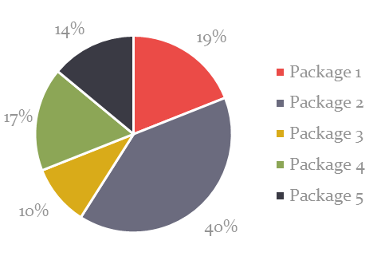
Completed | Milestone | Target | Target
 |  | Start Date | Completion Date
þ | Budget planning | 2017-11-07 | 2017-12-05
þ | Research phase 1 | 2017-11-14 | 2017-12-09
☐ | Content/design concept development | 2017-12-15 | 2017-02-06
☐ | Research phase 2 | 2017-01-03 | 2017-01-18
☐ | Content/design creation | 2017-01-25 | FINAL 3/2
☐ | Market testing | 2017-03-12 | 2017-03-21
☐ | Finalize design and content | 2017-03-26 | 2017-04-03
☐ | Release to manufacturing |  | 2017-04-05

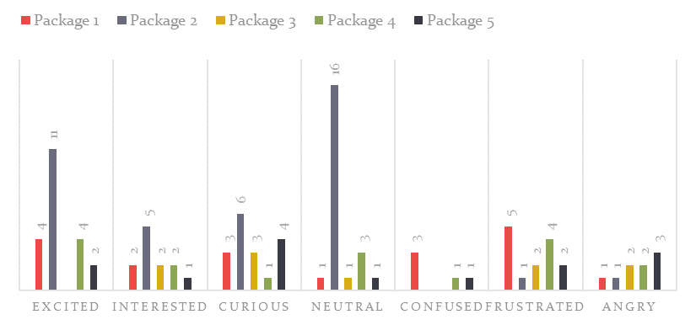

Package | PRoduct | Brand REcognition | Key Characteristics
1 | Competitor A | High | Heavy use of graphics / dark colors
 |  |  | Plastic/vacuum pack
2 | Competitor B | High | Sleek box shape
 |  |  | Clean lines/minimal
 |  |  | Single brand color
3 | Competitor C | New Product | Detailed instructions
 |  |  | Conservative colors
 |  |  | Plastic form pack
4 | Our 2009 release | New Product | Instructions on package
 |  |  | Multiple colors
 |  |  | Plastic form pack
5 | Our latest release | High | Instructions on package
 |  |  | Multiple colors
 |  |  | Recycled cardboard, custom box

